Sheet3
Test Case ID |  | TC_Practical-0010 | Test Case Desc | Test casesto test Computer Department Web pages from Shri Shivaji Science College website.
Created By |  | Ritika Ghogare | Reviewed By |  |  | Version |  | 1.0
Tester's Name |  |  | Date Tested |  |  | Test Case Status (Passed/Failed/NE)

# | Prerequisites: |  |  | # | Test Data
1 | Access to internet |  |  | 1
2 | Chrome Browser |  |  | 2
3 |  |  |  | 3
4 |  |  |  | 4

Test Scenario

Step # | Step Details |  | Expected Results | Actual Results |  |  | Pass / Fail / Not executed / Suspended
1 | Open Google Chrome and search in search bar https://www.shivajiscamt.org/pages/computer.php |  | 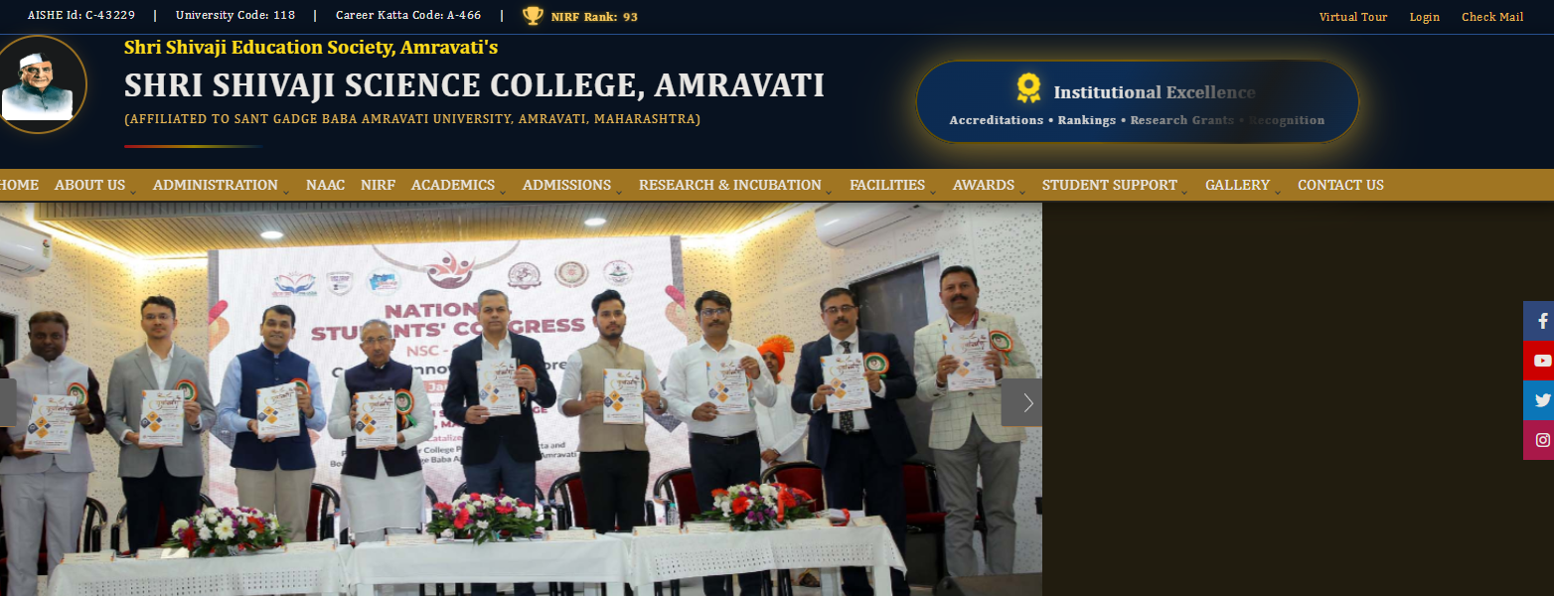 Verify this page will be open.
2 | Click About Us . |  | The "About us" sub contains should be displayed.
3 | Click -->NAAS (National Assessment Accreditation Council. |  | Verify the NAAS page open.
4
5
6
7
8
9
10
11
12
13
14
15
16
17
18
19
20

Sheet1
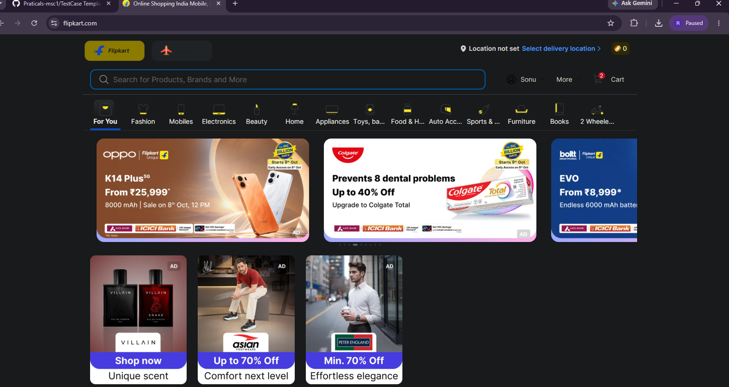
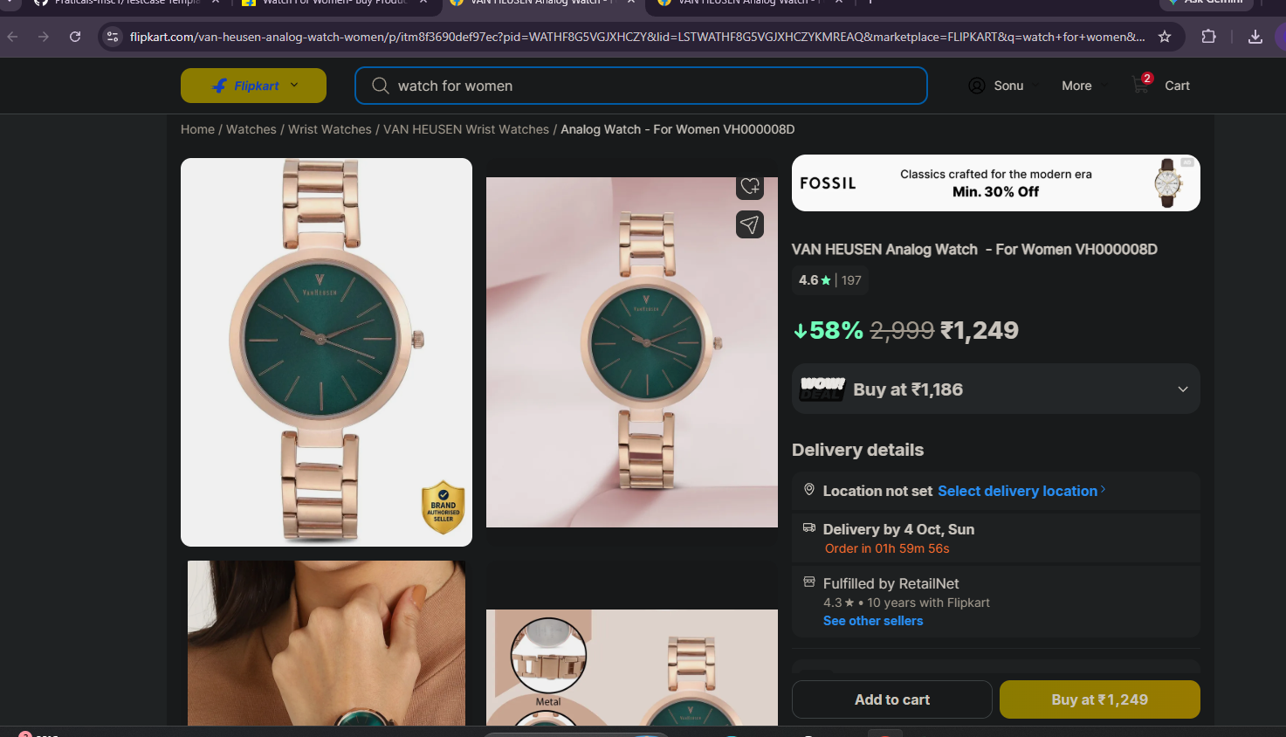
Test Case ID |  | TC_Practical-003 | Test Case Desc | Test the functionality of windows calculator
Created By |  | Ritika Ghogare | Reviewed By | Shreya Jaiswal |  | Version:01
Tester's Name |  |  | Date Tested |  |  | Test Case Status (Passed/Failed/NE)

# | Prerequisites: |  |  | # | Test Data
1 |  |  |  | 1
2 |  |  |  | 2
3 |  |  |  | 3
4 |  |  |  | 4

Test Scenario | Check if the calculator are normal calculator or a scientific calculator

Step # | Step Details |  | Expected Results | Actual Results |  |  | Pass / Fail / Not executed / Suspended
1 | Open Flipkart Website/App |  | Verify the application is open.
2 | Enter a valid login |  | User successfully logs in
3
4
5
6
7
8
9 | Enter email with space. |  | Spaces are handled appropriately, valid email can proceed.
10 | Enter password with incorrect capitalization . |  | Login fails
11 | Click password visibility icon. |  | Password visibility toggles correctly
12 | Click Forgot password. |  | Password/account recovery flow opens
13 | Start recovery for a valid account . |  | Recovery option are displayed
14 | login with a disabled account . |  | Login is blocked and appropriate information is shown
15 | Enter
16
17
18
19
20

Sheet2
Test Case ID |  | TC_Practical-009 | Test Case Desc | Test case for shopping a product from flipkart.
Created By |  | Ritika Ghogare | Reviewed By | Achal Dharmale |  | Version
Tester's Name |  |  | Date Tested |  |  | Test Case Status (Passed/Failed/NE)

# | Prerequisites: |  |  | # | Test Data
1 | Access to internet |  |  | 1
2 | Flipkart Application is accesseble |  |  | 2
3 |  |  |  | 3
4 |  |  |  | 4

Test Scenario
 | 2. Verify on entering invalid user name and/or password, the customer can not login

Step # | Step Details |  | Expected Results | Actual Results |  |  | Pass / Fail / Not executed / Suspended
1 | Open Flipkart Website/App |  | Flipkart homepage should load successfully.
2 | Enter a valid mobile number and OTP |  | Account should be create successfully.
3 | Enter "Watch for Women " in search bar. |  | Relevant product should be displayed.
4 | Click on the required product |  | Product details page should be open.
5 | Click on the image. |  | Verify the image is shows.
6 | Click on price . |  | 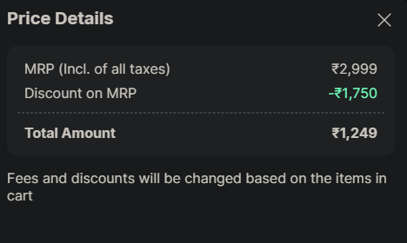 Verify the price details will be shown.
7 | Click place order
8
9
10
11
12
13
14
15
16
17
18
19
20

